Jan
JANUARY 2020
Sunday | Monday | Tuesday | Wednesday |  | Thursday |  | Friday | Saturday
 |  |  | 2020-01-01 | New Year's Day | 2020-01-02 |  | 2020-01-03 | 2020-01-04

2020-01-05 | 2020-01-06 | 2020-01-07 | 2020-01-08 |  | 2020-01-09 |  | 2020-01-10 | 2020-01-11

2020-01-12 | 2020-01-13 | 2020-01-14 | 2020-01-15 |  | 2020-01-16 |  | 2020-01-17 | 2020-01-18

2020-01-19 | 2020-01-20 | 2020-01-21 | 2020-01-22 |  | 2020-01-23 |  | 2020-01-24 | 2020-01-25 | Chinese New Year

2020-01-26 | 2020-01-27 | 2020-01-28 | 2020-01-29 |  | 2020-01-30 |  | 2020-01-31

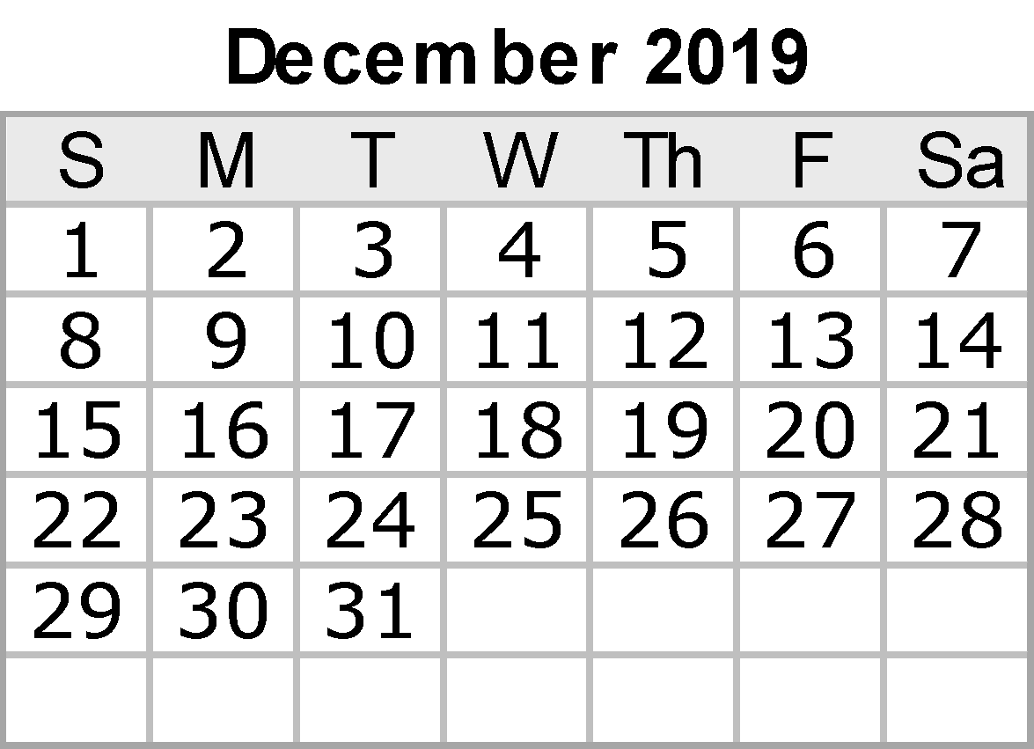
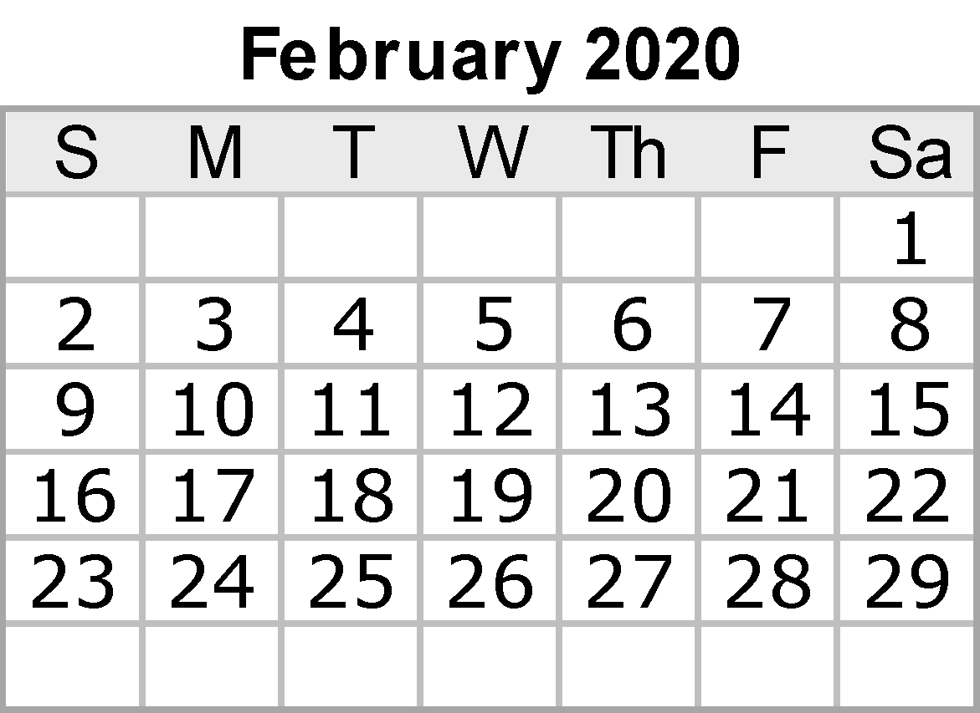
 |  |  |  |  |  |  | Notes:

 |  |  |  |  |  | {42}

Feb
FEBRUARY 2020
Sunday | Monday | Tuesday |  | Wednesday |  | Thursday |  | Friday |  | Saturday
 |  |  |  |  |  |  |  |  |  | 2020-02-01

2020-02-02 | 2020-02-03 | 2020-02-04 |  | 2020-02-05 |  | 2020-02-06 |  | 2020-02-07 |  | 2020-02-08

2020-02-09 | 2020-02-10 | 2020-02-11 |  | 2020-02-12 |  | 2020-02-13 |  | 2020-02-14 | Valentine's Day | 2020-02-15

2020-02-16 | 2020-02-17 | 2020-02-18 |  | 2020-02-19 |  | 2020-02-20 |  | 2020-02-21 |  | 2020-02-22

2020-02-23 | 2020-02-24 | 2020-02-25 | Mardi Gras | 2020-02-26 | Ash Wednesday | 2020-02-27 |  | 2020-02-28 |  | 2020-02-29

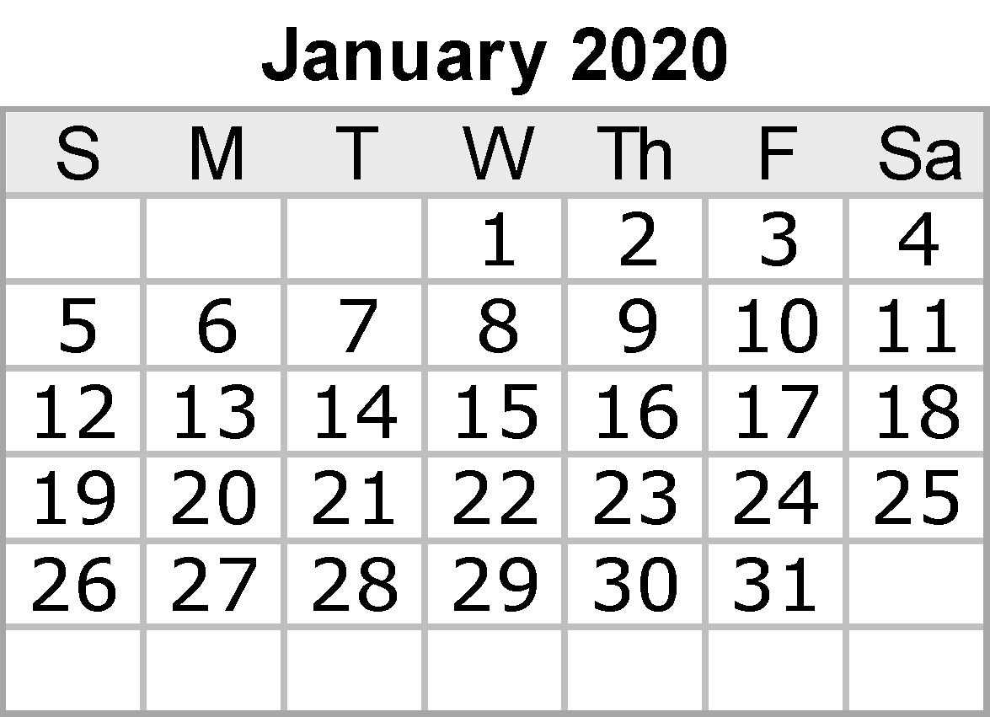
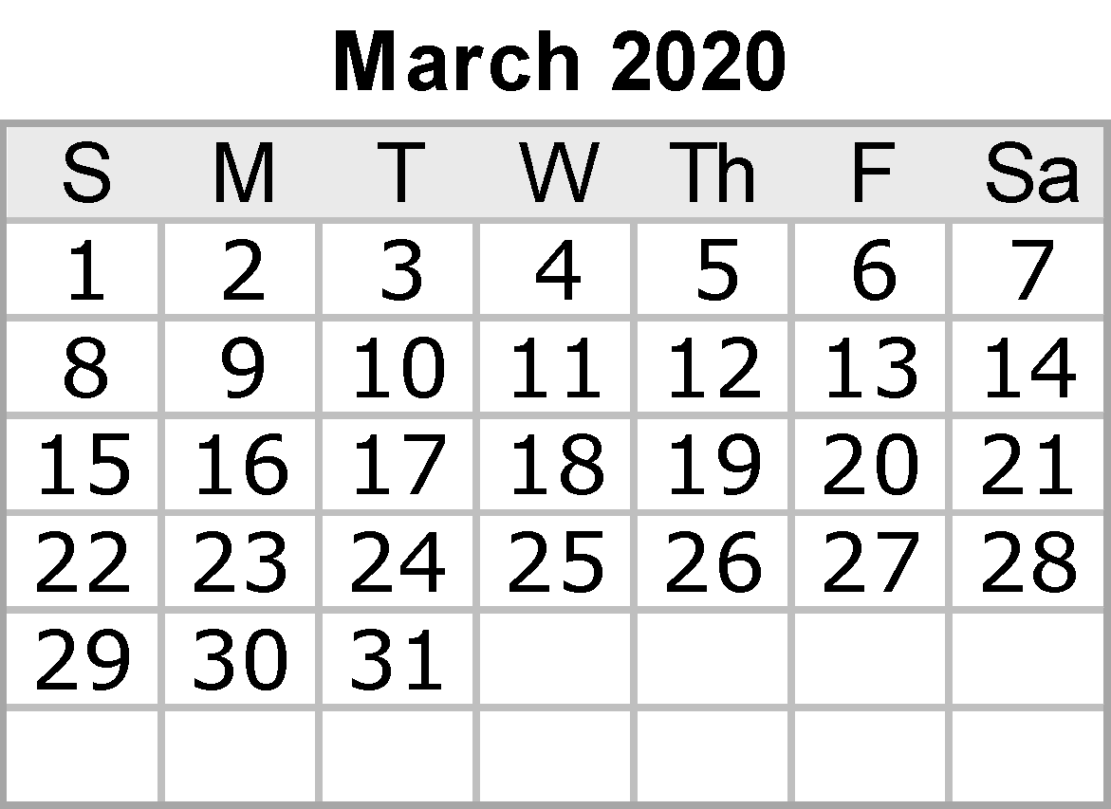
 |  |  |  |  |  |  |  | Notes:

 |  |  |  |  |  |  | {42}

Mar
MARCH 2020
Sunday | Monday | Tuesday |  | Wednesday | Thursday |  | Friday | Saturday
2020-03-01 | 2020-03-02 | 2020-03-03 |  | 2020-03-04 | 2020-03-05 |  | 2020-03-06 | 2020-03-07
 | Food Pantry |  |  |  | Food Pantry

2020-03-08 | 2020-03-09 | 2020-03-10 |  | 2020-03-11 | 2020-03-12 |  | 2020-03-13 | 2020-03-14
 |  |  |  |  | Food Pantry
 | Food Pantry

2020-03-15 | 2020-03-16 | 2020-03-17 | St. Patrick's Day | 2020-03-18 | 2020-03-19 |  | 2020-03-20 | 2020-03-21
 | Food Pantry |  |  |  | Food Pantry
 |  |  |  |  |  |  |  | Harmony Day

2020-03-22 | 2020-03-23 | 2020-03-24 |  | 2020-03-25 | 2020-03-26 |  | 2020-03-27 | 2020-03-28
 |  |  |  |  | Food Pantry |  | Last day before mid-semester break
 | Food Pantry |  |  |  | National close the gap day

2020-03-29 | 2020-03-30 | 2020-03-31
 |  | Graduation ceremonies
 | Food Pantry

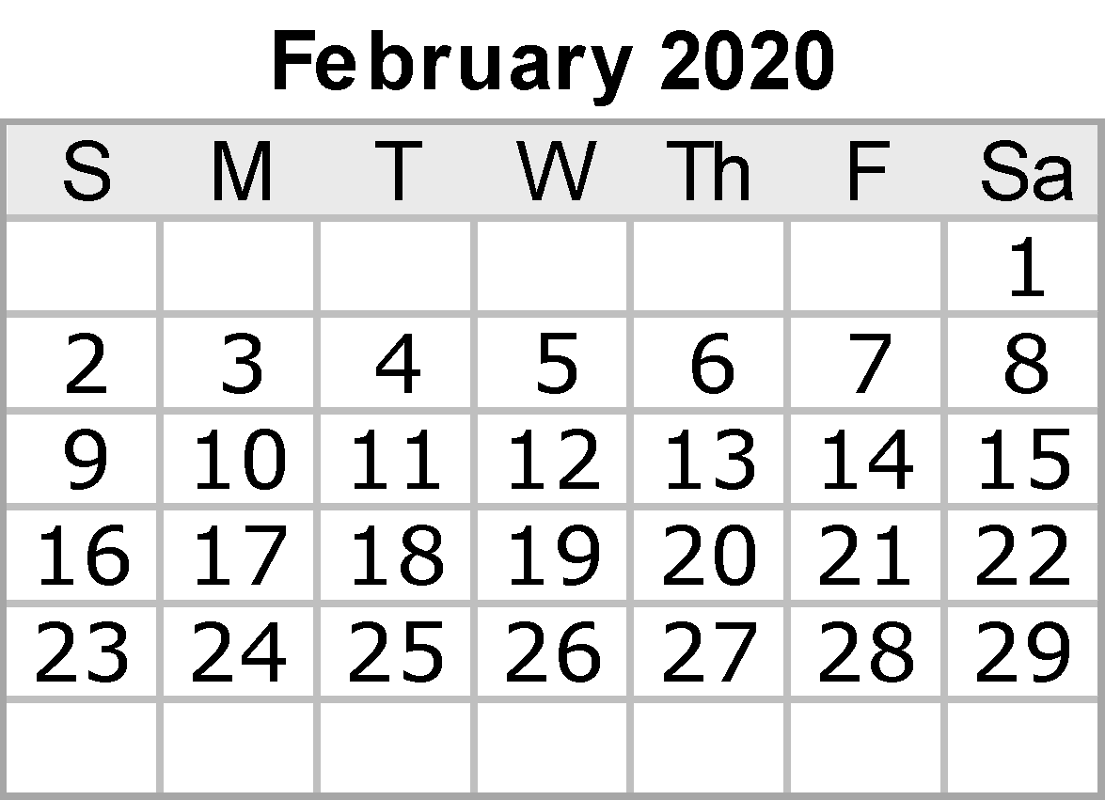
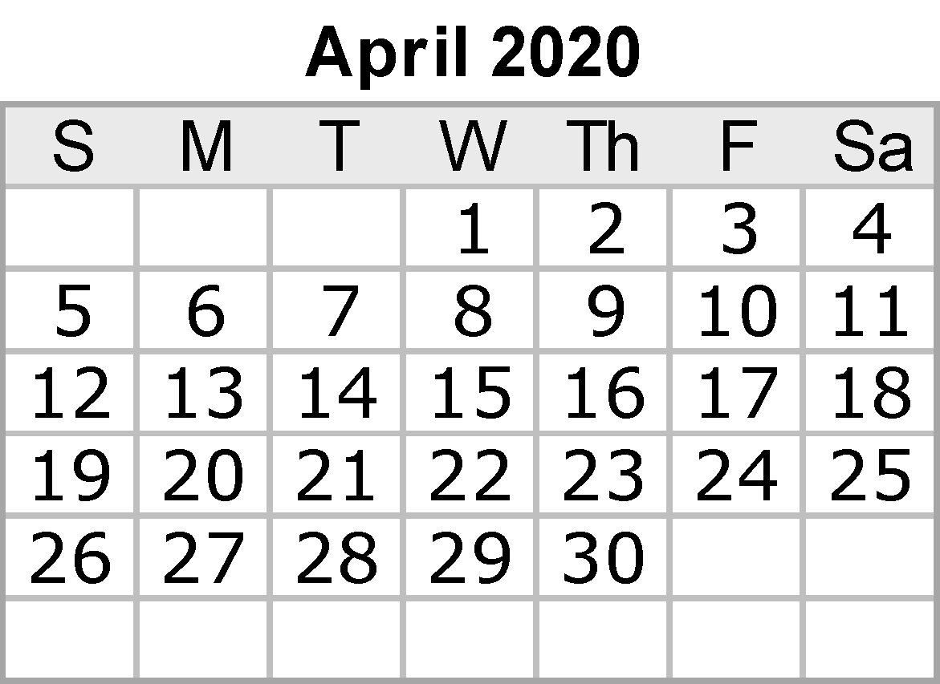
 |  |  |  |  |  |  | Notes:

 |  |  |  |  |  | {42}

Apr
APRIL 2020
Sunday |  | Monday | Tuesday | Wednesday |  | Thursday |  | Friday |  | Saturday
 |  |  |  | 2020-04-01 | April Fool's Day | 2020-04-02 |  | 2020-04-03 |  | 2020-04-04

 |  |  |  | Graduation Ceremonies |  | Graduation Ceremonies

2020-04-05 |  | 2020-04-06 | 2020-04-07 | 2020-04-08 |  | 2020-04-09 |  | 2020-04-10 | Good Friday | 2020-04-11

2020-04-12 | Easter | 2020-04-13 | 2020-04-14 | 2020-04-15 |  | 2020-04-16 |  | 2020-04-17 |  | 2020-04-18

 |  |  |  |  |  | 3x3 Basketball Comp |  | 3x3 Basketball Comp

2020-04-19 |  | 2020-04-20 | 2020-04-21 | 2020-04-22 | Earth Day | 2020-04-23 |  | 2020-04-24 | Ramadan begins | 2020-04-25

2020-04-26 |  | 2020-04-27 | 2020-04-28 | 2020-04-29 |  | 2020-04-30
 |  |  |  | Student town hall (Tentative)
 |  | Anzac Day


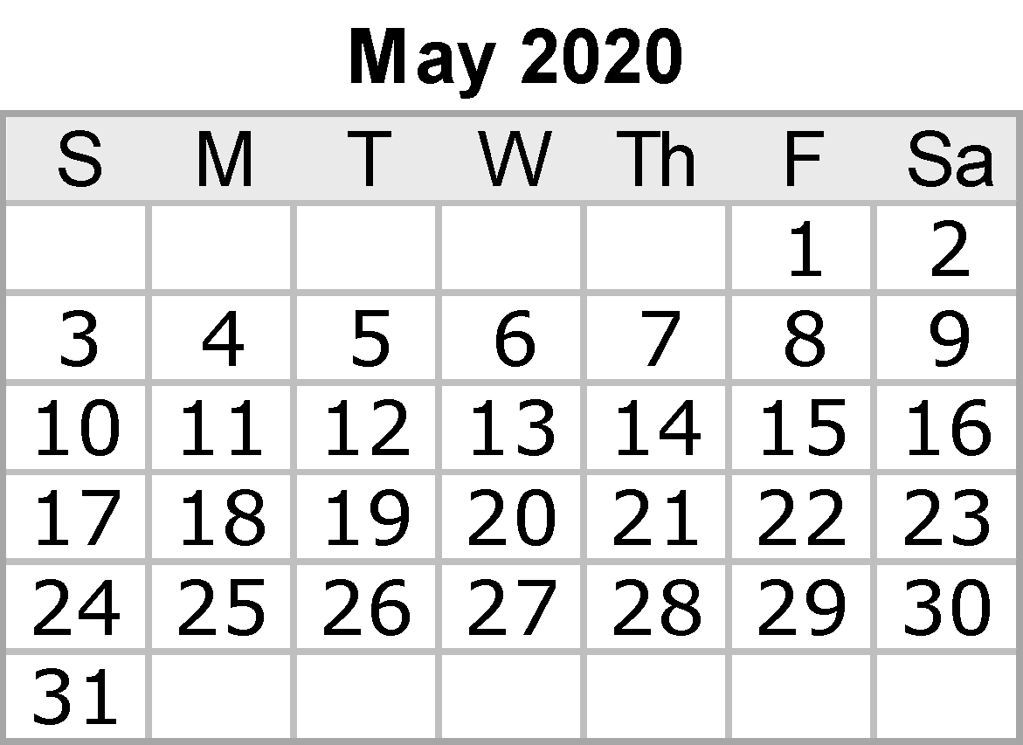
 |  |  |  |  |  |  |  | Notes:

 |  |  |  |  |  |  | {42}

May
MAY 2020
Sunday |  | Monday | Tuesday |  | Wednesday | Thursday |  | Friday | Saturday
 |  |  |  |  |  |  |  | 2020-05-01 | 2020-05-02

2020-05-03 |  | 2020-05-04 | 2020-05-05 | Cinco de Mayo | 2020-05-06 | 2020-05-07 |  | 2020-05-08 | 2020-05-09

2020-05-10 | Mother's Day | 2020-05-11 | 2020-05-12 |  | 2020-05-13 | 2020-05-14 |  | 2020-05-15 | 2020-05-16
 |  | Start of exam period

2020-05-17 |  | 2020-05-18 | 2020-05-19 |  | 2020-05-20 | 2020-05-21 |  | 2020-05-22 | 2020-05-23
 |  |  |  |  |  |  |  | End of exam period

2020-05-24 |  | 2020-05-25 | 2020-05-26 |  | 2020-05-27 | 2020-05-28 |  | 2020-05-29 | 2020-05-30

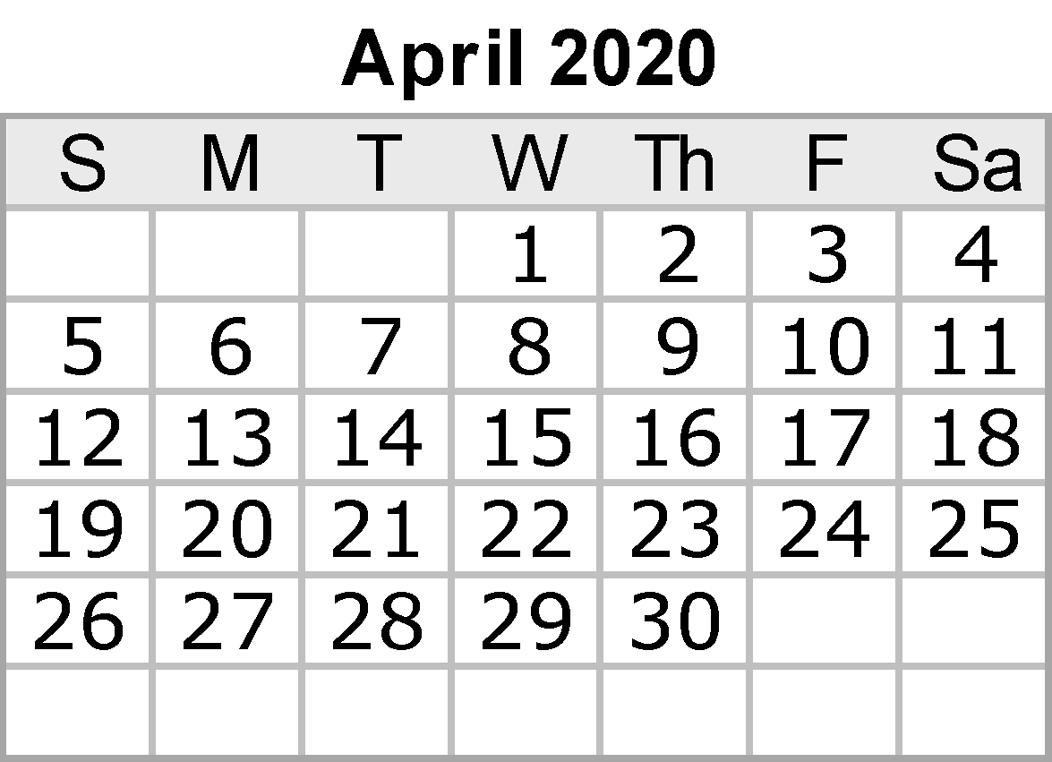

2020-05-31 |  |  |  |  |  |  |  | Notes:

 |  |  |  |  |  |  | {42}

Jun
JUNE 2020
Sunday | Monday | Tuesday | Wednesday | Thursday |  | Friday |  | Saturday
 | 2020-06-01 | 2020-06-02 | 2020-06-03 | 2020-06-04 |  | 2020-06-05 |  | 2020-06-06
 |  |  |  | UCC LATC (Lola)
 | Reconcilaition Day |  | Academic Board (Majid/Josh) | Academic Integrity Mtg (Lola/Hamish/Nick)

 | Winter Term Starts |  |  | Student Equity & Advisory Group (TBD)

2020-06-07 | 2020-06-08 | 2020-06-09 | 2020-06-10 | 2020-06-11 |  | 2020-06-12 |  | 2020-06-13
 | Queens Birthday Public Holiday |  |  | Grades Released |  | WT Census

 |  |  |  | FOH board (Lola)

2020-06-14 | 2020-06-15 | 2020-06-16 | 2020-06-17 | 2020-06-18 |  | 2020-06-19 |  | 2020-06-20 | June Solstice (GMT)
 |  |  | UEC (Josephine) |  |  |  |  | World Refugee Day

2020-06-21 | 2020-06-22 | 2020-06-23 | 2020-06-24 | 2020-06-25 |  | 2020-06-26 |  | 2020-06-27
 |  |  |  |  |  | Council (Emma/Anthony)

2020-06-28 | 2020-06-29 | 2020-06-30



 |  |  |  |  |  | Notes:
 |  |  |  |  |  |  | Mid year Student advocacy report (Lola, Elena and Romeo)

 |  |  |  |  | {42}

Jul
JULY 2020
Sunday | Monday | Tuesday | Wednesday | Thursday |  | Friday |  | Saturday
 |  |  | 2020-07-01 | 2020-07-02 |  | 2020-07-03 |  | 2020-07-04

2020-07-05 | 2020-07-06 | 2020-07-07 | 2020-07-08 | 2020-07-09 |  | 2020-07-10 |  | 2020-07-11
NAIDOC WEEK |  |  |  | URC
(Cancelled)

2020-07-12 | 2020-07-13 | 2020-07-14 | 2020-07-15 | 2020-07-16 |  | 2020-07-17 |  | 2020-07-18
 |  |  | UEC (Josephine) | UAC (Josephine)

2020-07-19 | 2020-07-20 | 2020-07-21 | 2020-07-22 | 2020-07-23 |  | 2020-07-24 |  | 2020-07-25
 | Winter Exam Period Starts

2020-07-26 | 2020-07-27 | 2020-07-28 | 2020-07-29 | 2020-07-30 |  | 2020-07-31
 | OWeek S2 |  |  |  |  | Winter Exam Period End


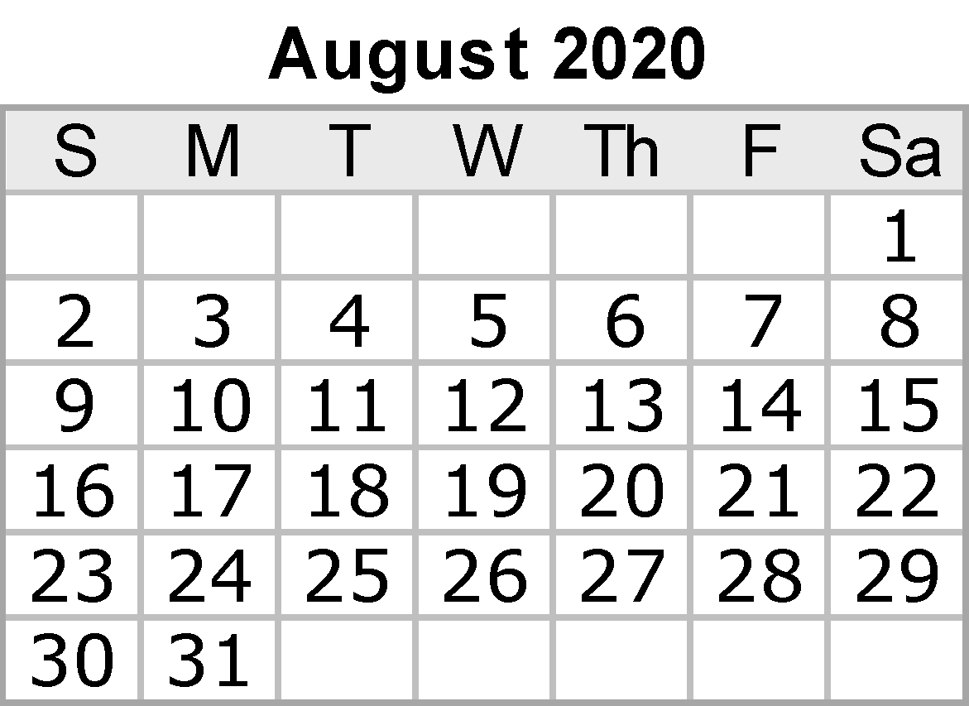
 |  |  |  |  |  | Notes:
 |  |  |  |  |  |  | Return to Campus
 |  |  |  |  |  |  | Town Hall No 2

 |  |  |  |  | {42}

Aug
AUGUST 2020
Sunday | Monday | Tuesday | Wednesday | Thursday |  | Friday | Saturday
 |  |  |  |  |  |  | 2020-08-01

2020-08-02 | 2020-08-03 | 2020-08-04 | 2020-08-05 | 2020-08-06 |  | 2020-08-07 | 2020-08-08
 |  |  | Academic Board (Majid/Josh)

2020-08-09 | 2020-08-10 | 2020-08-11 | 2020-08-12 | 2020-08-13 |  | 2020-08-14 | 2020-08-15

2020-08-16 | 2020-08-17 | 2020-08-18 | 2020-08-19 | 2020-08-20 |  | 2020-08-21 | 2020-08-22
 |  |  |  |  |  |  | UC Open Day
 |  |  |  | FOH board (Lola)

2020-08-23 | 2020-08-24 | 2020-08-25 | 2020-08-26 | 2020-08-27 |  | 2020-08-28 | 2020-08-29

 |  |  |  |  |  | Council (Emma/Anthony)


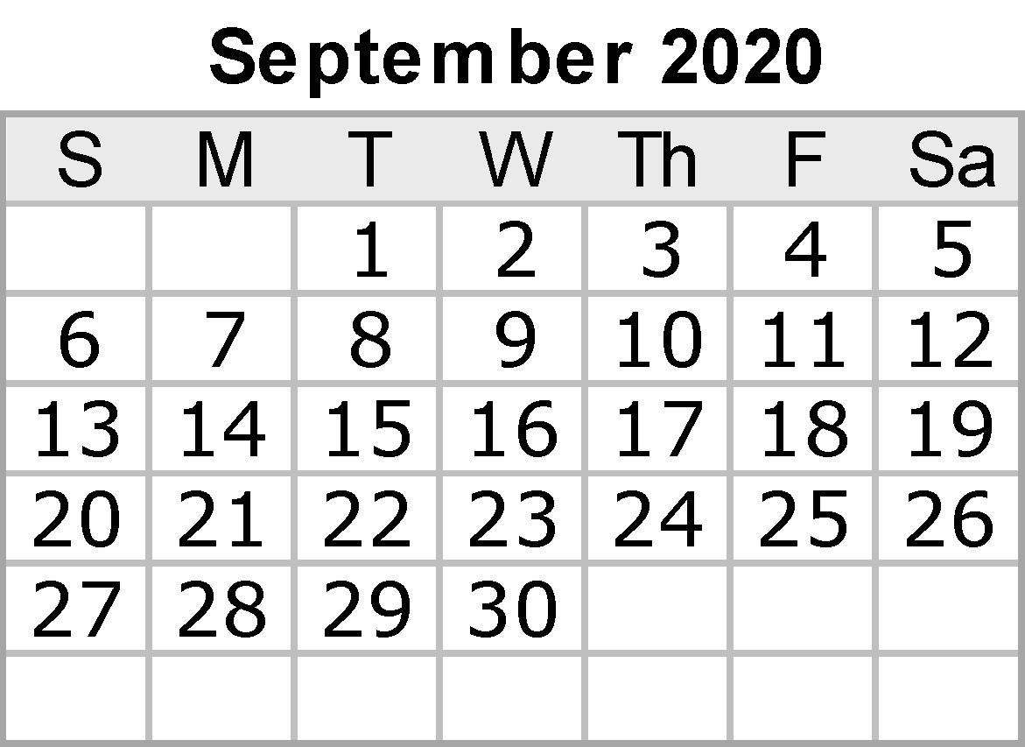
2020-08-30 | 2020-08-31 |  |  |  |  | Notes:

 |  |  |  |  | {42}

Sep
SEPTEMBER 2020
Sunday |  | Monday | Tuesday | Wednesday | Thursday |  | Friday |  | Saturday
 |  |  | 2020-09-01 | 2020-09-02 | 2020-09-03 |  | 2020-09-04 |  | 2020-09-05

 |  |  |  |  | URC |  | Census Date

2020-09-06 | Father's Day | 2020-09-07 | 2020-09-08 | 2020-09-09 | 2020-09-10 |  | 2020-09-11 |  | 2020-09-12
 |  |  |  | UEC (Josephine)
 |  |  |  |  | UAC (Josephine)

 |  |  |  |  | RUOK Day

2020-09-13 |  | 2020-09-14 | 2020-09-15 | 2020-09-16 | 2020-09-17 |  | 2020-09-18 |  | 2020-09-19

2020-09-20 |  | 2020-09-21 | 2020-09-22 | 2020-09-23 | 2020-09-24 |  | 2020-09-25 |  | 2020-09-26

2020-09-27 |  | 2020-09-28 | 2020-09-29 | 2020-09-30

 |  |  |  | Academic Board (Josh/Majid)

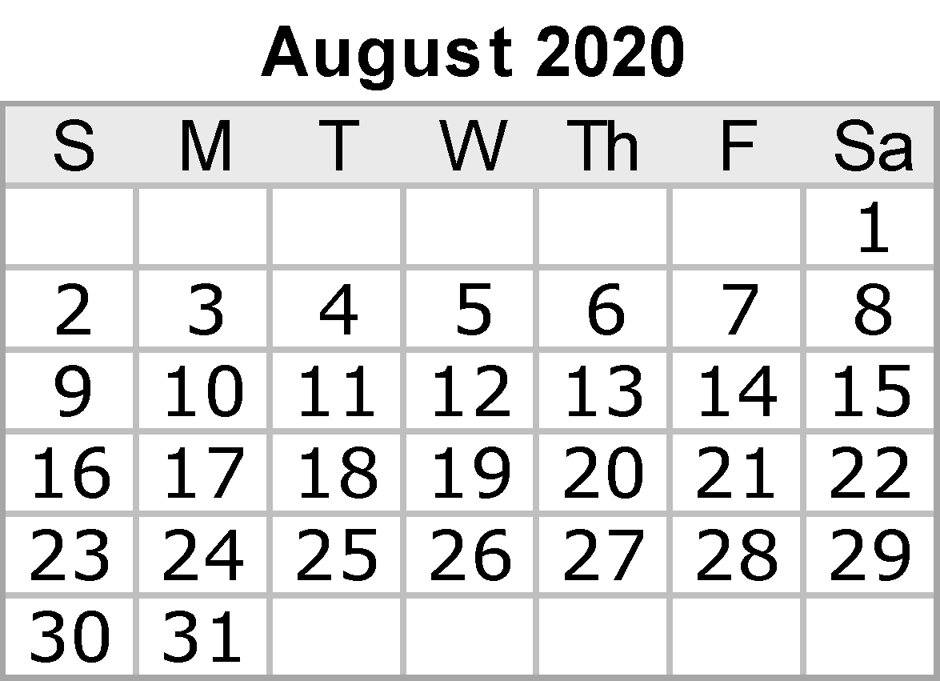
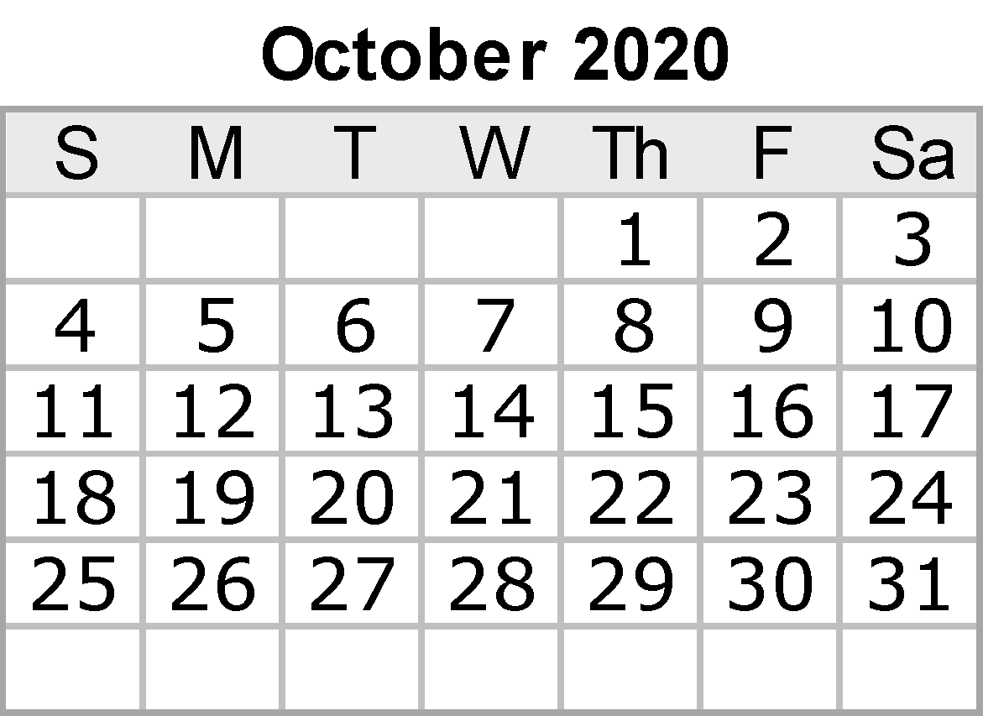
 |  |  |  |  |  |  | Notes:
 |  |  |  |  |  |  |  | SSAF Bid 2021 (Lola and Nick)
 |  |  |  |  |  |  |  | RUOK Day

 |  |  |  |  |  | {42}

Oct
OCTOBER 2020
Sunday | Monday | Tuesday | Wednesday | Thursday |  | Friday |  | Saturday
 |  |  |  | 2020-10-01 |  | 2020-10-02 |  | 2020-10-03

2020-10-04 | 2020-10-05 | 2020-10-06 | 2020-10-07 | 2020-10-08 |  | 2020-10-09 |  | 2020-10-10
 | Labor Day |  |  | UCC LATC (Lola) |  |  |  | Mental Health Day

2020-10-11 | 2020-10-12 | 2020-10-13 | 2020-10-14 | 2020-10-15 |  | 2020-10-16 |  | 2020-10-17

2020-10-18 | 2020-10-19 | 2020-10-20 | 2020-10-21 | 2020-10-22 |  | 2020-10-23 |  | 2020-10-24
 |  |  |  | URC
 |  |  |  |  |  | Stone Day
 |  |  |  | FOH Board (Lola) |  | Council (Emma/Anthony)

2020-10-25 | 2020-10-26 | 2020-10-27 | 2020-10-28 | 2020-10-29 |  | 2020-10-30 |  | 2020-10-31 | Halloween
 |  |  | UEC (Josephine) | UAC (Josephine)

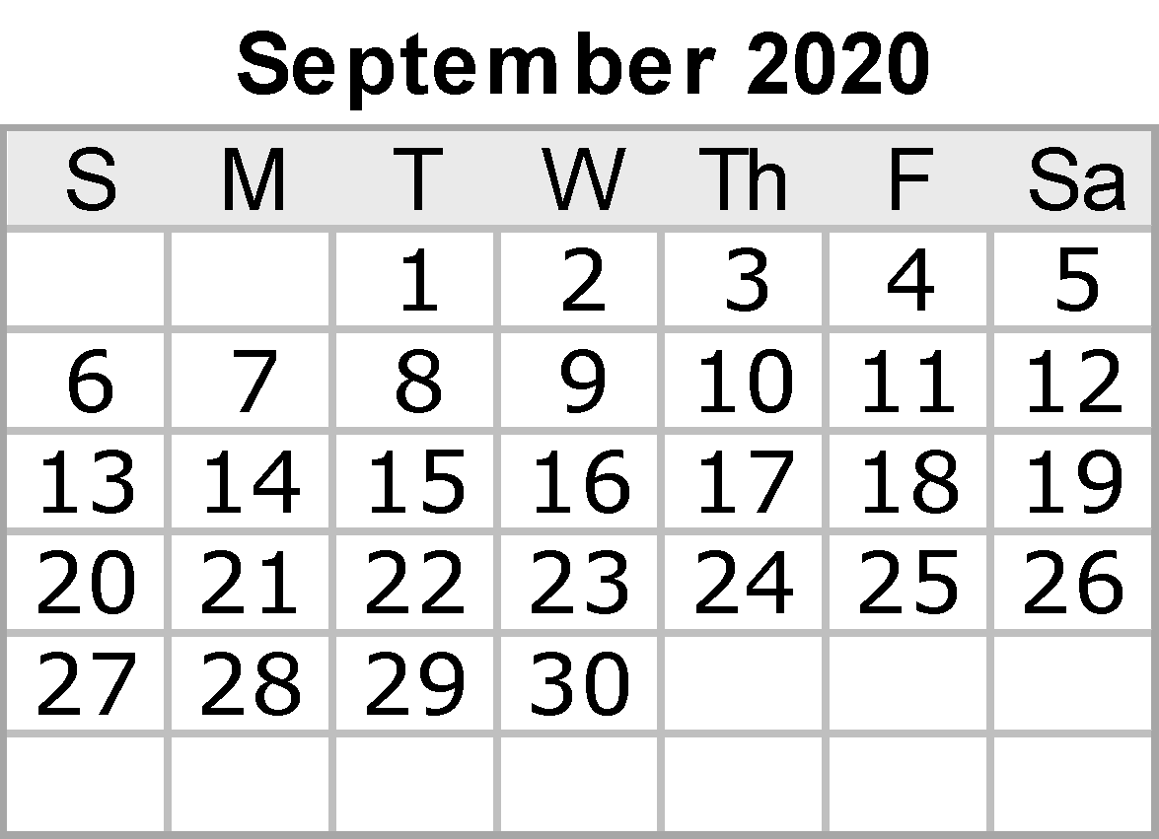
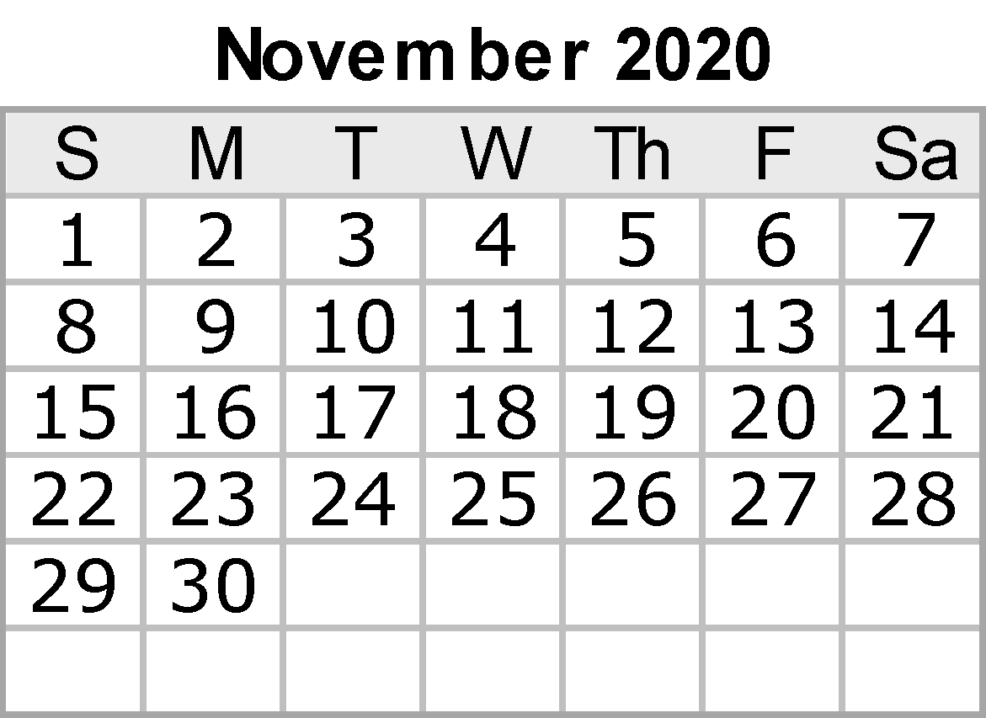
 |  |  |  |  |  | Notes:
 |  |  |  |  |  |  | Mental Health Month

 |  |  |  |  | {42}

Nov
NOVEMBER 2020
Sunday | Monday | Tuesday | Wednesday | Thursday |  | Friday |  | Saturday
2020-11-01 | 2020-11-02 | 2020-11-03 | 2020-11-04 | 2020-11-05 |  | 2020-11-06 |  | 2020-11-07

 |  |  |  | UCC academic board (Lola)

2020-11-08 | 2020-11-09 | 2020-11-10 | 2020-11-11 | 2020-11-12 |  | 2020-11-13 |  | 2020-11-14

NAIDOC WEEK
(revised dates)

2020-11-15 | 2020-11-16 | 2020-11-17 | 2020-11-18 | 2020-11-19 |  | 2020-11-20 |  | 2020-11-21
 |  |  | Academic Board (Josh/Majid)

2020-11-22 | 2020-11-23 | 2020-11-24 | 2020-11-25 | 2020-11-26 |  | 2020-11-27 |  | 2020-11-28
 |  |  |  | FOH Board (Lola)
 |  |  | International Day for the Elimination of Violence Against Women

2020-11-29 | 2020-11-30

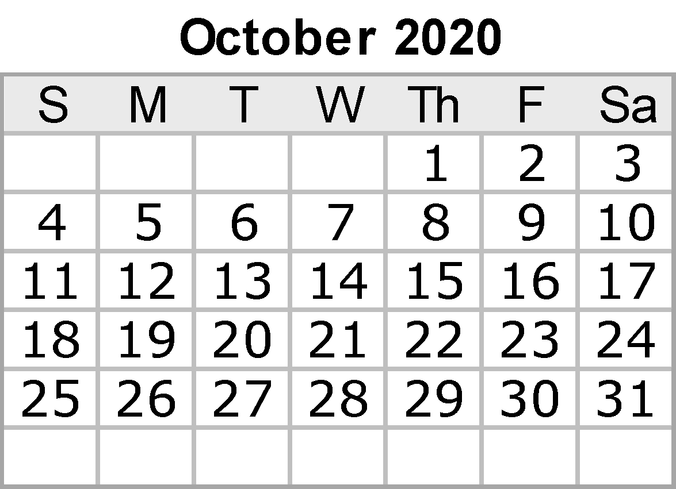

 |  |  |  |  |  | Notes:
 |  |  |  |  |  |  | Exams

 |  |  |  |  | {42}

Dec
DECEMBER 2020
Sunday | Monday | Tuesday | Wednesday | Thursday |  | Friday |  | Saturday
 |  | 2020-12-01 | 2020-12-02 | 2020-12-03 |  | 2020-12-04 |  | 2020-12-05

2020-12-06 | 2020-12-07 | 2020-12-08 | 2020-12-09 | 2020-12-10 |  | 2020-12-11 |  | 2020-12-12
 |  |  |  |  |  | Council (Emma/Anthony)

2020-12-13 | 2020-12-14 | 2020-12-15 | 2020-12-16 | 2020-12-17 |  | 2020-12-18 |  | 2020-12-19

2020-12-20 | 2020-12-21 | 2020-12-22 | 2020-12-23 | 2020-12-24 | Christmas Eve | 2020-12-25 | Christmas Day | 2020-12-26

2020-12-27 | 2020-12-28 | 2020-12-29 | 2020-12-30 | 2020-12-31 | New Year's Eve

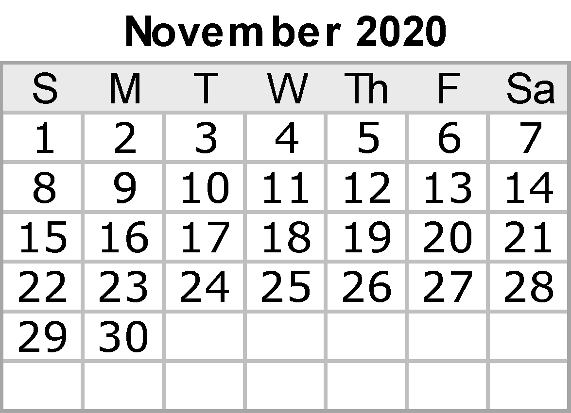
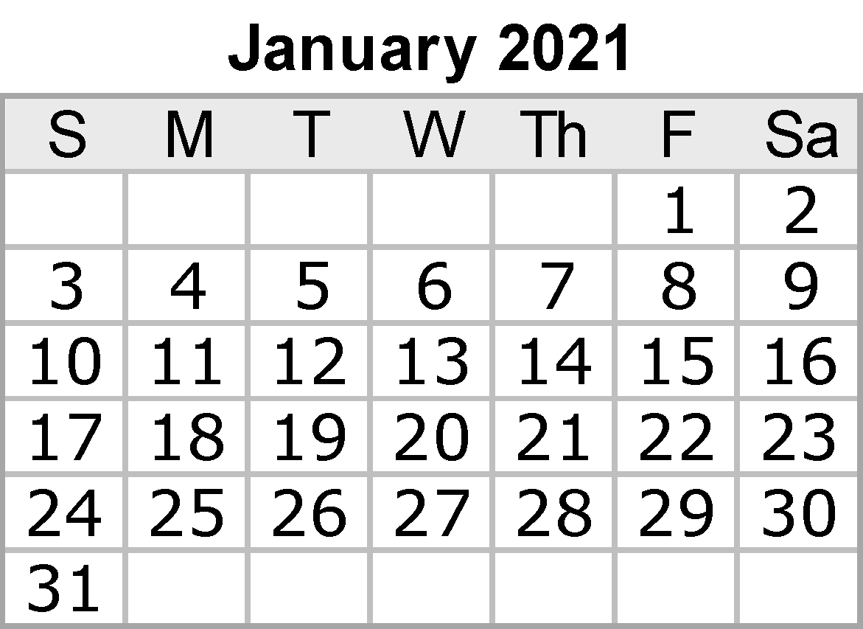
 |  |  |  |  |  | Notes:
 |  |  |  |  |  |  | Presidents Report to Council
 |  |  |  |  |  |  | SSAF Aqcuittal

 |  |  |  |  | {42}

